Aeration
Aeration Vs. Baseline Method
 | Calculated Aeration % Micromotion Baseline | Calculated Aeration % D4052 Baseline
0.1 | 8.4872966325 | 8.1200457741
0.2 | 9.161001328 | 8.9036275889
0.3 | 9.5954343085 | 9.3718903806
0.4 | 9.974760249 | 9.7897769313
0.5 | 9.9894287533 | 9.8260070687
0.6 | 10.180102321 | 10.013463821
0.7 | 10.400978224 | 10.248391171
0.8 | 10.578306641 | 10.419237766
0.9 | 10.593123907 | 10.43733449
1.0 | 10.652418794 | 10.491766247
1.1 | 10.830528325 | 10.655467647
1.2 | 10.771070832 | 10.600558236
1.3 | 10.845355402 | 10.682945724
1.4 | 10.934707322 | 10.782927278
1.5 | 10.890049826 | 10.727919976
1.6 | 10.949591321 | 10.782912797
1.7 | 11.009226089 | 10.846579802
1.8 | 11.098798538 | 10.92891031
1.9 | 11.053979392 | 10.891268794
2.0 | 11.113741335 | 10.964376963
2.1 | 11.173582813 | 11.011046036
2.2 | 11.293384149 | 11.139311758
2.3 | 11.233428572 | 11.065972673
2.4 | 11.368369967 | 11.184917555
2.5 | 11.323363348 | 11.157268427
2.6 | 11.293368935 | 11.129163501
2.7 | 11.39838942 | 11.231031033
2.8 | 11.413443669 | 11.229909646
2.9 | 11.443502848 | 11.285082915
3.0 | 11.413443669 | 11.257368858
3.1 | 11.533793353 | 11.359060999
3.2 | 11.503685417 | 11.322992833
3.3 | 11.578985755 | 11.405683652
3.4 | 11.609103007 | 11.451615277
3.5 | 11.744989138 | 11.571418724
3.6 | 11.654419367 | 11.488528463
3.7 | 11.624199088 | 11.450474502
3.8 | 11.669448969 | 11.514895772
3.9 | 11.578970116 | 11.41434715
4.0 | 11.699662247 | 11.543561885
4.1 | 11.684561454 | 11.506916586
4.2 | 11.77524344 | 11.608472694
4.3 | 11.669464743 | 11.497523544
4.4 | 11.775227508 | 11.598938988
4.5 | 11.790368786 | 11.626947128
4.6 | 11.805482248 | 11.635644806
4.7 | 11.805466271 | 11.635979781
4.8 | 11.850879034 | 11.700631286
4.9 | 11.805498225 | 11.644726116
5.0 | 11.95698575 | 11.802064826
...

Test Info and Baseline Info
Lab | SwRI
Stand | 60
Test ID | 60-071014-61
Test Start Date | 7/18/14 |  | Calculated Baseline Density |  | Chemical Samples |  | Projected Limits |  |  | Verified Micromotion Density
Test Start Time |  |  | DvT | -0.00062321428571 | Temp | Density | Temp | Upper Limit | Lower Limit | Temp | MM Value | Target | Deviation
Test End Date | 7/20/14 |  | Baseline at 90c | 0.8257 | 30 | 0.8631 | 20 | 0 | 0 | 32.5 | 0.8567 | 0 | 0.8567
Test End Time |  |  |  |  | 40 | 0.8568 | 30 | 0 | 0 | 50 | 0.84802 | 0 | 0.84802
Engine Hours | 0 |  | DVT Slope | -0.00062321428571 | 50 | 0.8506 | 40 | 0 | 0 | 60 | 0.8439 | 0 | 0.8439
 |  |  | DVT Intercept | 0.88175 | 60 | 0.8443 | 50 | 0 | 0 | 70 | 0.83813 | 0 | 0.83813
 |  |  | DVT Low Limit Intercept | 0.88675 | 70 | 0.8381 | 60 | 0 | 0 | 79.9 | 0.83644 | 0 | 0.83644
 |  |  | DVT High Limit Intercept | 0.87675 | 80 | 0.8319 | 70 | 0 | 0 | 34 | 0.857 | 0 | 0.857
Baseline Density Data |  |  |  |  | 90 | 0.8257 | 80 | 0 | 0
 |  |  |  |  |  |  | 90 | 0 | 0
Test ID
 | Temp | Density
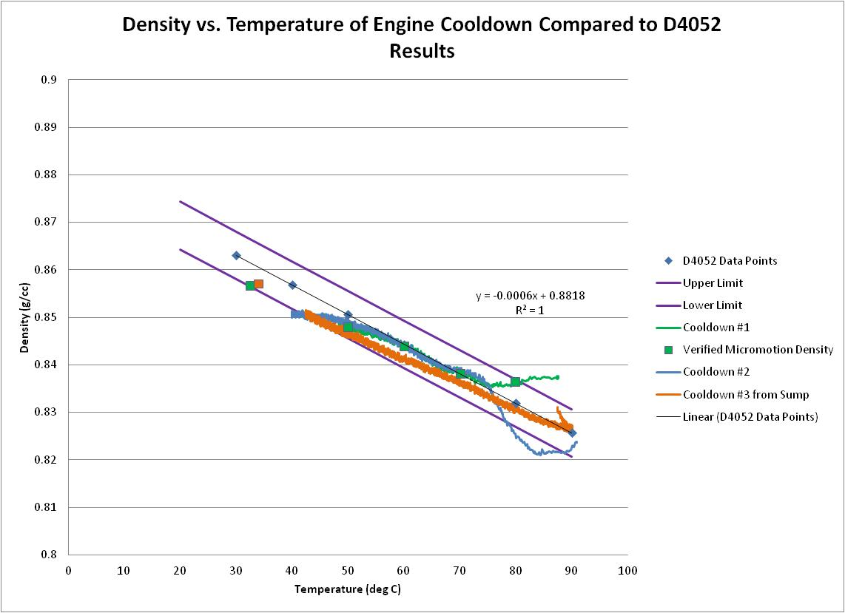
 | 50 | 0.8506
 | 70 | 0.8381
 | 90 | 0.8257

 | Micromotion Calculated Baseline Density | 0.82693
 | DvT | -0.00062321428571
 | Baseline at 90c | 0.8257

Si
D5185 ICP Si Break-In
 | Si Break-In |  | OS265386T
0 | 8 | 0 | 5
25 | 58 | 1 | 6
30 | 15 | 5 | 8
40 | 18 | 25 | 12
50 | 23 | 50 | 15
51 | 11
60 | 13
70 | 16
75 | 17
75 | 9
76 | 8
80 | 8
80 | 7
81 | 6
85 | 5

Raw Density Comparison
Raw Density Comparison
 | OS265386Q Old Engine | OS265386T New Engine
0.1 | 0.75778 | 0.76512
0.2 | 0.77926 | 0.75882
0.3 | 0.77467 | 0.75539
0.4 | 0.77185 | 0.75227
0.5 | 0.76745 | 0.75196
0.6 | 0.76598 | 0.75068
0.7 | 0.76451 | 0.74902
0.8 | 0.76261 | 0.7478
0.9 | 0.76028 | 0.74774
1 | 0.762 | 0.74731
1.1 | 0.75576 | 0.74633
1.2 | 0.75539 | 0.7467
1.3 | 0.7538 | 0.74602
1.4 | 0.75582 | 0.74541
1.5 | 0.75343 | 0.74578
1.6 | 0.75239 | 0.74541
1.7 | 0.7508 | 0.74492
1.8 | 0.75086 | 0.74443
1.9 | 0.75037 | 0.74462
2 | 0.74976 | 0.74413
2.1 | 0.74811 | 0.74388
2.2 | 0.74884 | 0.74296
2.3 | 0.74835 | 0.74345
2.4 | 0.74774 | 0.74278
2.5 | 0.7467 | 0.74284
2.6 | 0.74743 | 0.74309
2.7 | 0.74627 | 0.74241
2.8 | 0.74523 | 0.74248
2.9 | 0.74596 | 0.74205
3 | 0.7448 | 0.74211
3.1 | 0.74523 | 0.74162
3.2 | 0.74425 | 0.74186
3.3 | 0.74413 | 0.74131
3.4 | 0.74431 | 0.74088
3.5 | 0.74327 | 0.74021
3.6 | 0.74339 | 0.74076
3.7 | 0.74352 | 0.74095
3.8 | 0.74345 | 0.74046
3.9 | 0.74321 | 0.74119
4 | 0.74223 | 0.74027
4.1 | 0.74192 | 0.7407
4.2 | 0.7418 | 0.73984
4.3 | 0.74272 | 0.7407
4.4 | 0.74205 | 0.74009
4.5 | 0.74143 | 0.73978
4.6 | 0.74199 | 0.73966
4.7 | 0.74162 | 0.73972
4.8 | 0.74131 | 0.73923
4.9 | 0.74217 | 0.7396
5 | 0.74058 | 0.73856
...

Aeration Using Comon D4052 Base
Aeration Between New and Old Engine Using Common D4052 Baseline
 | OS265386T New Engine | OS265386Q Old Engine
0.1 | 8.1200457741 | 9.1521996828
0.2 | 8.9036275889 | 5.8639448199
0.3 | 9.3718903806 | 6.4912526924
0.4 | 9.7897769313 | 6.9148950943
0.5 | 9.8260070687 | 7.4582549317
0.6 | 10.013463821 | 7.7959708578
0.7 | 10.248391171 | 7.9770210333
0.8 | 10.419237766 | 8.2285233923
0.9 | 10.43733449 | 8.6406125228
1.0 | 10.491766247 | 8.395210112
1.1 | 10.655467647 | 9.2460795815
1.2 | 10.600558236 | 9.2816143129
1.3 | 10.682945724 | 9.584827943
1.4 | 10.782927278 | 9.2825191694
1.5 | 10.727919976 | 9.5933294542
1.6 | 10.782912797 | 9.7358674585
1.7 | 10.846579802 | 10.005015153
1.8 | 10.92891031 | 9.9962539229
1.9 | 10.891268794 | 10.040706526
2.0 | 10.964376963 | 10.121147875
2.1 | 11.011046036 | 10.364247863
2.2 | 11.139311758 | 10.284122198
2.3 | 11.065972673 | 10.338004505
2.4 | 11.184917555 | 10.428120773
2.5 | 11.157268427 | 10.572839955
2.6 | 11.129163501 | 10.483188325
2.7 | 11.231031033 | 10.655108764
2.8 | 11.229909646 | 10.800438404
2.9 | 11.285082915 | 10.69188587
3.0 | 11.257368858 | 10.864442328
3.1 | 11.359060999 | 10.80040939
3.2 | 11.322992833 | 10.946452876
3.3 | 11.405683652 | 10.964376963
3.4 | 11.451615277 | 10.937500375
3.5 | 11.571418724 | 11.102221791
3.6 | 11.488528463 | 11.07493102
3.7 | 11.450474502 | 11.055490818
3.8 | 11.514895772 | 11.075293142
3.9 | 11.41434715 | 11.139219809
4.0 | 11.543561885 | 11.25806556
4.1 | 11.506916586 | 11.257809209
4.2 | 11.608472694 | 11.322613513
4.3 | 11.497523544 | 11.175260979
4.4 | 11.598938988 | 11.238304946
4.5 | 11.626947128 | 11.378243211
4.6 | 11.635644806 | 11.312810782
4.7 | 11.635979781 | 11.312205419
4.8 | 11.700631286 | 11.386902464
4.9 | 11.644726116 | 11.285779964
5.0 | 11.802064826 | 11.459190542
...

